Overview
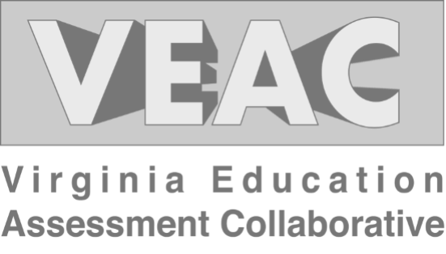

Longwood University
The Virginia Education Assessment Collaborative (VEAC) is a growing partnership between Educator Preparation Programs (EPP) in the Commonwealth of Virginia. Our purpose is to provide a centralized assessment structure for Virginia EPPs that standardizes and reduces the complexity of data collection for both the Virginia Department of Education (VDOE) and the Council for the Accreditation of Educator Preparation (CAEP).
Survey Response Rates
The VEAC advanced licensure complete survey was launched in March 2022 with recruitment through Qualtrics. Recruitment included reminders and additional alternative email address recruitment. Upon closing the survey in April 2023, VEAC collected 978 complete and partial responses. Across EPPs, response rates varied between 0% to 70%, with the average EPP response rate at 22%.CAEP and VDOE reviewers should note that VEAC has worked with EPPs and school divisions to maximize response rates.
VEAC Participants
For our 2022-2023 advanced licensure cycle, VEAC fielded the Advanced Licensure Completer Survey to program completers from 15 EPP partners.
Table of Contents
Overall Satisfaction
Administration and Supervision
Reading Specialist
Counselor Education
Match Specialist
School Psychology
Response Rates

2022-2023 VEAC Leadership
Chairs
Amy Thelk – James Madison University
Joel Hanel – University of Virginia

Executive Director
Jillian McGraw – University of Virginia

Communications
Adrienne Sullivan – George Mason University

Committee Leadership
Matt Grimes – Radford University
Angie Wetzel – Virginia Commonwealth University

Graduate Student
Sarah Wesphal – University of Virginia

